Autofill en reeksen
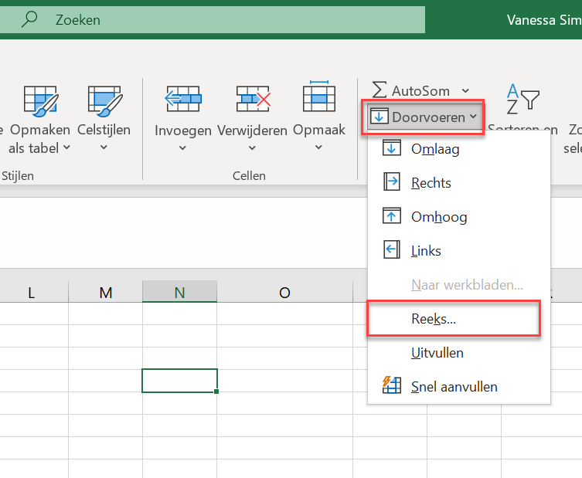

Voorbeeld Draaitabel
Klik in de draaitabel om alle informatie te zien
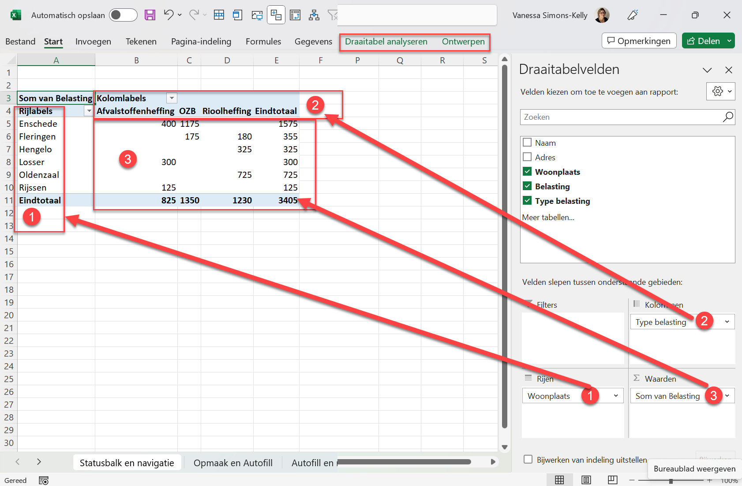
Som van Belasting | Kolomlabels
Rijlabels | Afvalstoffenheffing | OZB | Rioolheffing | Eindtotaal
Enschede | 400 | 1175 |  | 1575
Fleringen |  | 175 | 180 | 355
Hengelo |  |  | 325 | 325
Losser | 300 |  |  | 300
Oldenzaal |  |  | 725 | 725
Rijssen | 125 |  |  | 125
Eindtotaal | 825 | 1350 | 1230 | 3405

 |  |  |  |  | Schuif in de draaitabellenvelden 'Woonplaats' naar kolommen en 'Type belasting' naar rijen om te kijken wat er dan gebeurt

